Cover


Safety
Safety performance data
Data in italics indicates that data has been restated since it was reported in the ESG Standards and Databook 2024. Due to the lag nature of incident reporting and subsequent verification, final results may vary post reporting.
Regional summary for FY20251
per million hours worked
Region | Employee fatalities | Contractor fatalities | Employee total recordable injury frequency (TRIF)3 | Contractor TRIF3 | Employee high-potential injury frequency3 | Contractor high-potential injury frequency3
Asia | 0 | 0 | 0.0 | 0.0 | 0.0 | 0.0
Australia | 0 | 0 | 6.9 | 6.2 | 0.1 | 0.1
Europe | 0 | 0 | 0.0 | 0.0 | 0.0 | 0.0
North America | 0 | 0 | 1.0 | 6.3 | 0.0 | 0.2
South America | 0 | 0 | 0.6 | 1.2 | 0.1 | 0.0
Total | 0 | 0 | 5.2 | 4.0 | 0.1 | 0.1

Injury rates for FY20251
SASB basis – per 200,000 hours worked
 |  | Employees | Contractors
Total recordable injury frequency2 | Per 200,000 hours worked | 1.04 | 0.80
High-potential injury frequency2 | Per 200,000 hours worked | 0.02 | 0.02
High consequence injury frequency2 | Per 200,000 hours worked | 0.20 | 0.07
Number of recordable work-related injuries |  | 357 | 486
Number of high consequence work-related injuries |  | 69 | 41
Number of hours worked |  | 68,760,150 | 120,852,409

Total recordable injury frequency, high-potential injuries and high-potential injury frequency1
per million hours worked
Year | Total recordable injury frequency (TRIF)3 | % change | High-potential injury (HPI)3 | % change | High-potential injury frequency (HPIF)3 | % change
FY2025 | 4.5 | -7% | 17 | -19% | 0.09 | -18%
FY2024 | 4.8 | 9% | 21 4 | -28% | 0.11 4 | -39%
FY2023 | 4.4 | 6% | 29 | 38% | 0.18 | 29%
FY2022 | 4.1 | 9% | 21 | -34% | 0.14 | -33%
FY2021 | 3.8 | -12% | 32 | -18% | 0.21 | -13%

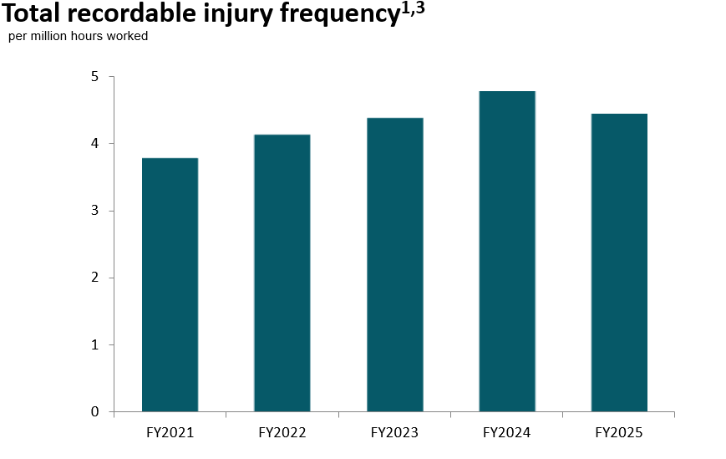
Footnotes
1. Prior year data (FY2021 to FY2023) excludes former OZ Minerals Australian assets (acquired 2 May 2023), which is included for FY2024 and FY2025. Prior year data (FY2021 to FY2023) also excludes (entirely) divested operations as follows: BHP Mitsui Coal (divested on 3 May 2022), BHP’s oil and gas portfolio (merger with Woodside completed on 1 June 2022).
2. Frequency rate based on number of employee or contractor injuries (either high-potential injuries (HPIs) or total recordable injuries (TRIs)) per 200,000 hours worked.
3. Frequency rate based on combined total number of employee and contractor injuries (either HPIs or TRIs) per 1 million hours worked.
4. FY2024 data has been adjusted and restated to exclude BMA’s Daunia and Blackwater mines (divested on 2 April 2024) and to add two HPIs due to re-classification.

Health
Health performance data
Data in italics indicates that data has been restated since it was reported in the ESG Standards and Databook 2024. Due to the lag nature of incident reporting and subsequent verification, final results may vary post reporting. Occupational illnesses excludes COVID-19 related data.
Occupational illness incidence – total by region1
Occupational illness per million hours worked
Region | FY2021 | FY2022 | FY2023 | FY2024 | FY2025
Asia | 0.0 | 0.0 | 0.2 | 0.0 | 0.0
Australia | 3.6 | 3.3 | 4.2 | 4.0 | 4.5
Europe | 0.0 | 0.0 | 0.0 | 0.0 | 0.0
North America | 0.4 | 0.4 | 1.3 | 0.4 | 0.6
South America | 1.9 | 1.3 | 1.4 | 0.6 | 0.7
Total | 3.0 | 2.5 | 3.1 | 2.6 | 2.9

Occupational illness incidence – employee by region1
Occupational illness per million hours worked
Region | FY2021 | FY2022 | FY2023 | FY2024 | FY2025
Asia | 0.0 | 0.0 | 0.3 | 0.0 | 0.0
Australia | 5.5 | 4.4 | 5.6 | 5.2 | 6.0
Europe | 0.0 | 0.0 | 0.0 | 0.0 | 0.0
North America | 0.0 | 0.0 | 0.0 | 0.0 | 0.0
South America | 3.4 | 3.4 | 2.6 | 1.2 | 1.3
Total | 4.7 | 3.9 | 4.6 | 4.1 | 4.6

Occupational illness incidence – contractor by region1
Occupational illness per million hours worked
Region | FY2021 | FY2022 | FY2023 | FY2024 | FY2025
Asia | 0.0 | 0.0 | 0.0 | 0.0 | 0.0
Australia | 2.1 | 2.3 | 2.8 | 3.0 | 3.3
Europe | 0.0 | 0.0 | 0.0 | 0.0 | 0.0
North America | 0.5 | 0.4 | 1.5 | 0.4 | 0.7
South America | 1.2 | 0.4 | 1.0 | 0.5 | 0.5
Total | 1.8 | 1.5 | 2.0 | 1.8 | 1.9
Occupational illness incidence – employee1
 |  | Actual numbers |  |  | Occupational illness per million employee hours worked
Year | Total occupational illness – employee | Noise-induced hearing loss | Musculoskeletal illness | Other illnesses | Noise-induced hearing loss | Musculoskeletal illness | Other illnesses | Total
FY2025 | 319 | 56 | 197 | 66 | 0.81 | 2.87 | 0.96 | 4.64
FY2024 | 282 | 55 | 187 | 40 | 0.79 | 2.69 | 0.58 | 4.06
FY2023 | 309 | 38 | 221 | 50 | 0.57 | 3.30 | 0.75 | 4.62
FY2022 | 245 | 43 | 151 | 51 | 0.69 | 2.42 | 0.82 | 3.92
FY2021 | 299 | 60 | 188 | 51 | 0.93 | 2.92 | 0.79 | 4.65

Occupational illness incidence – contractor1
 |  | Actual numbers |  |  | Occupational illness per million contractor hours worked
Year | Total occupational illness – contractor | Noise-induced hearing loss | Musculoskeletal illness | Other illnesses | Noise-induced hearing loss | Musculoskeletal illness | Other illnesses | Total
FY2025 | 234 | 0 | 158 | 76 | 0.00 | 1.31 | 0.63 | 1.94
FY2024 | 213 | 1 | 128 | 84 | 0.01 | 1.08 | 0.71 | 1.80
FY2023 | 194 | 0 | 137 | 57 | 0.00 | 1.40 | 0.58 | 1.98
FY2022 | 132 | 0 | 87 | 45 | 0.00 | 1.01 | 0.52 | 1.52
FY2021 | 154 | 0 | 105 | 49 | 0.00 | 1.20 | 0.56 | 1.76

Regional summary for FY20251
Per million hours worked
Region | Employee occupational illness incidence | Contractor occupational illness incidence
Asia | 0.0 | 0.0
Australia | 6.0 | 3.3
Europe | 0.0 | 0.0
North America | 0.0 | 0.7
South America | 1.3 | 0.5
Total | 4.6 | 1.9

Occupational exposure reduction trend over time1,2,3,4
 | FY2021 | FY2022 | FY2023 | FY2024 | FY2025
Coal mine dust exposures | 14 | 0 | 0 | 0 | 0
Silica exposures | 1046 | 1006 | 681 | 704 | 952
DPM (diesel) exposures | 312 | 327 | 211 | 555 | 149

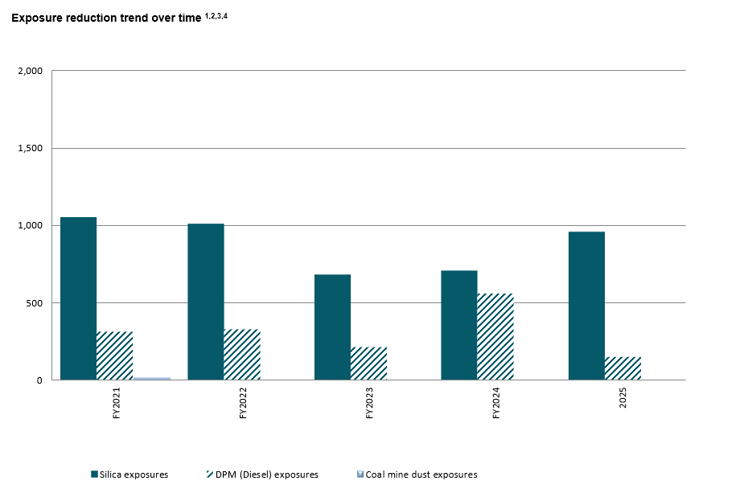

Footnotes
1. Prior year data (FY2021 to FY2023) excludes former OZ Minerals Australian assets (acquired 2 May 2023), which is included for FY2024 and FY2025. Prior year data (FY2021 to FY2023) also excludes (entirely) divested operations as follows: BHP Mitsui Coal (divested on 3 May 2022) and BHP’s oil and gas portfolio (merger with Woodside completed on 1 June 2022).
2. Occupational exposure data is presented without considering protection from the use of personal protective equipment (where required as outlined in the Health Global Standard). The data excludes Projects.
3. As of FY2021, the Occupational Exposure Limit for Coal was reduced to 1.5 mg/m3 compared to 2.0mg/m3 in previous years.
4. As of January 2024, the OEL for welding fumes within Australia was reduced to 1mg/m3 compared to 5mg/m3 in previous years.

Water
Water performance data
Data excludes former OZ Minerals sites Carrapateena and Prominent Hill, and FY2021–FY2024 water data excludes former OZ Minerals project West Musgrave, due to data not being reported in accordance with ICMM’s Water Reporting, Good Practice Guide (2nd Ed) and the Minerals Council of Australia’s Water Accounting Framework. Data is intended to be reported for Carrapateena and Prominent Hill from FY2026 once water accounts have been aligned with ICMM's Water Reporting, Good Practice Guide (2nd Ed) and the Minerals Council of Australia’s Water Accounting Framework. FY2021–FY2024 water data has been updated since BHP’s 2024 disclosures, primarily to remove divested assets Blackwater and Daunia (sale completed 2 April 2024), and due to updated information becoming available. Data has been rounded to the nearest 10 megalitres and in some instances the sum of totals for quality, source and destination may differ due to rounding. Water data and accounting relies on a variety of data sources, including from water modelling, direct measurement and estimation techniques based on available known methodologies (e.g. estimation of evaporation from water storages). Recognising that the water models, water balances and assumptions used in our water accounting approach contain inherent uncertainty, and in line with our commitment to continuous improvement, we continue to review the assumptions and refine our methodology of our water accounts and data.
Total water withdrawals1
Megalitres (ML)
Year ended 30 June | Type 1 (High quality) | Type 2 (High quality) | Type 3 (Low quality) | Surface water | Groundwater | Seawater | Third-party water
2025 | 64,940 | 97,790 | 266,920 | 85,190 | 82,820 | 221,860 | 39,790
2024 | 55,630 | 55,480 | 269,460 | 27,230 | 88,270 | 223,440 | 41,640
2023 | 46,660 | 85,880 | 268,940 | 54,200 | 93,140 | 213,920 | 40,220
2022 | 46,110 | 56,100 | 282,710 | 54,980 | 88,380 | 222,570 | 18,990
2021 | 49,200 | 37,710 | 269,190 | 32,680 | 91,020 | 215,690 | 16710

Total water discharges
Megalitres (ML)
Year ended 30 June | Type 1 (High quality) | Type 2 (High quality) | Type 3 (Low quality) | Surface water | Groundwater | Seawater | Third-party water
2025 | – | 20,950 | 126,570 | 21,530 | 5,930 | 119,920 | 130
2024 | – | 4,730 | 123,370 | 5,320 | 4,410 | 118,200 | 160
2023 | – | 8,610 | 126,500 | 9,200 | 4,070 | 121,720 | 120
2022 | – | 6,400 | 128,720 | 6,870 | 1,490 | 126,670 | 90
2021 | – | 3,920 | 124,250 | 4,240 | 1,880 | 121,700 | 360

Footnotes
1. For FY2021, data includes rainfall and run-off volumes captured and used during the reporting year. Rainfall and run-off volumes that have been captured and stored are excluded and will be reported in the future year of use. As a result of the issue of updated ICMM water reporting guidance in late FY2021, volumes of rainfall and run-off volumes captured and not used as well as volumes captured and used in the reporting year are included in FY2022 onwards data.

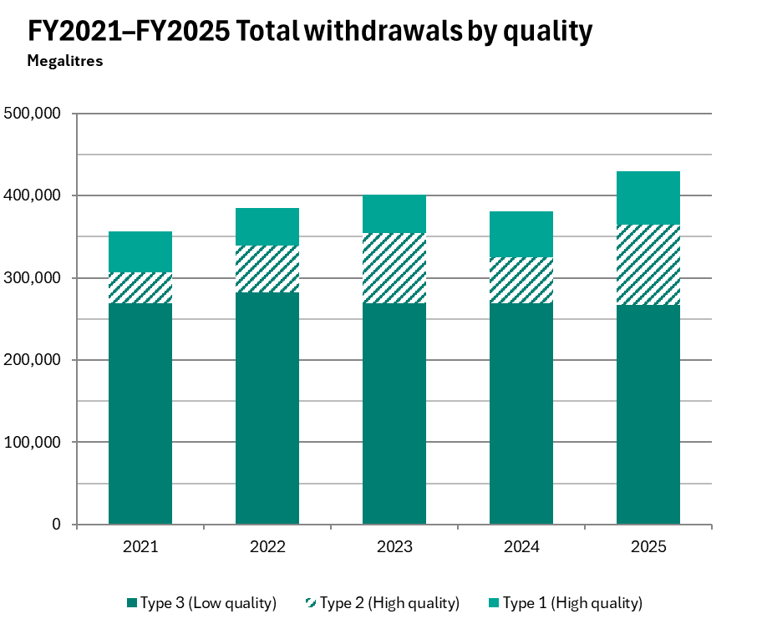 |  |  |  | 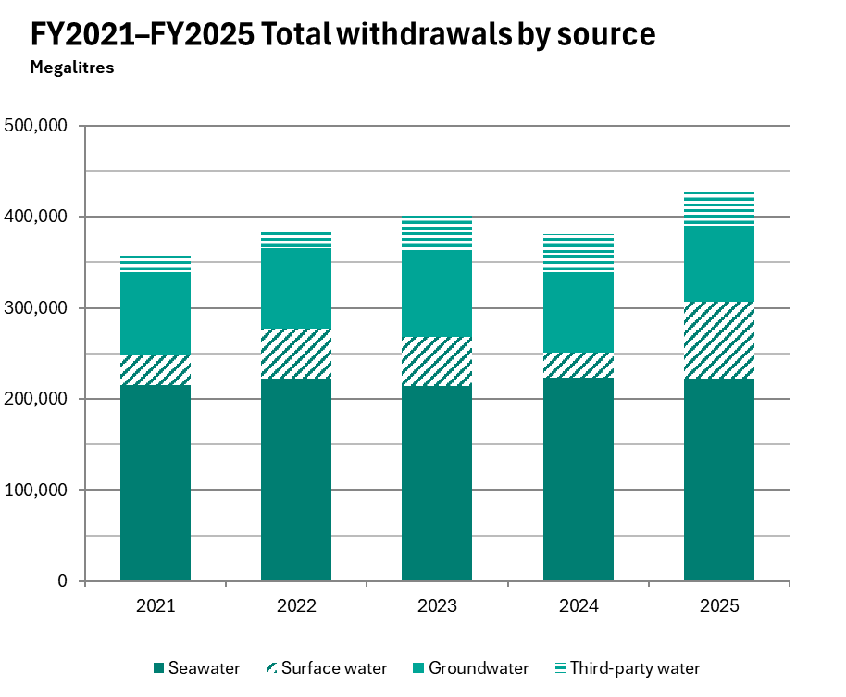

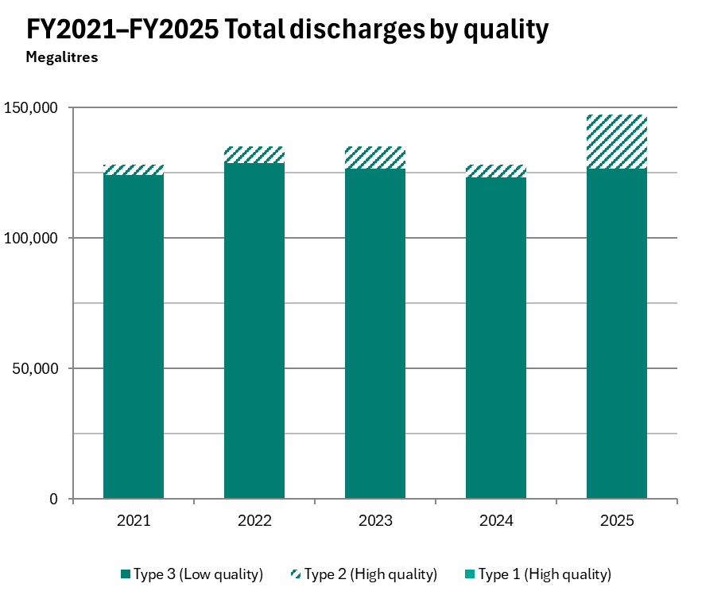 |  |  |  | 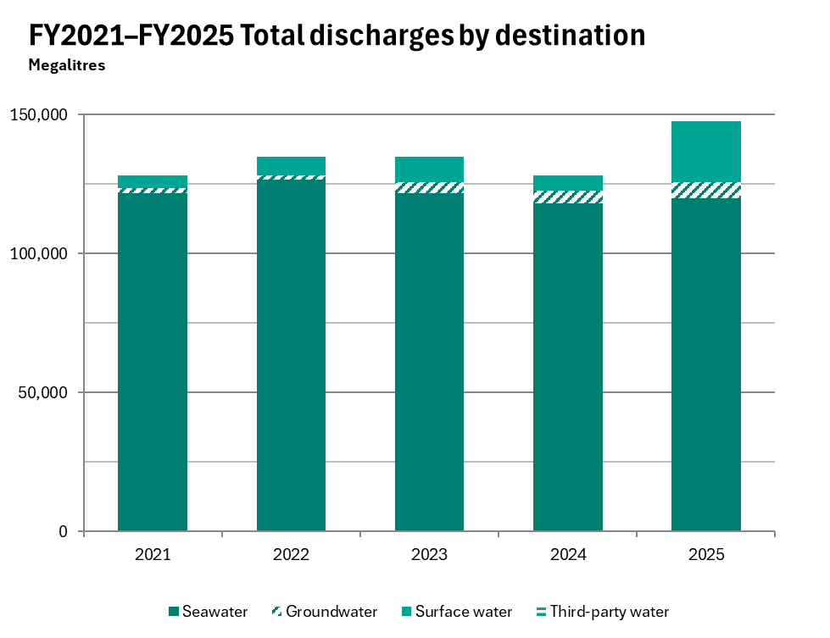

Energy and GHG
Operational energy consumption and GHG emissions

Important information
In this tab: - Operational energy consumption - Operational GHG emissions (Scopes 1 and 2 emissions from our operated assets) - Value chain GHG emissions (Scope 3 emissions) Notes: - For more information on the calculation methodologies, assumptions, treatment of divestments/acquisitions and key references used in the preparation of our GHG emissions data refer to BHP GHG Emissions Calculation Methodology 2025, available at bhp.com/sustainability. - Total operations basis excludes divestments from the completion date or effective economic date (as applicable) of the divestment, and includes acquisitions from the date of acquisition. - Continuing operations basis excludes all data from divestments. Western Australia Nickel is included in Continuing operations as these operations transitioned into temporary suspension in December 2024. We intend to review this decision by February 2027. - Divestments are the Blackwater and Daunia mines (sale by BMA completed on 2 April 2024), BMC (sale of our interest in BMC completed on 3 May 2022) and our Petroleum business (merger with Woodside completed on 1 June 2022). Acquisitions are the former OZ Minerals facilities from the date of acquisition (completed on 2 May 2023). This covers the former OZ Minerals facilities that form part of our Copper South Australia asset and West Musgrave that forms part of Western Australia Nickel. - Rounding: In some instances, the sum of totals for sources, gases and assets may differ due to rounding.

Operational energy consumption

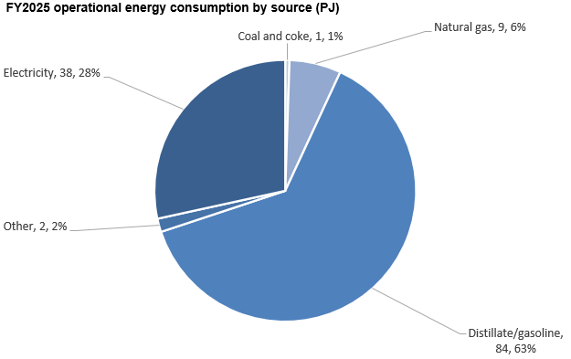

 | FY2020 |  | FY2021 |  | FY2022 |  | FY2023 |  | FY2024 |  | FY2025 |  |  | FY2020 |  | FY2021 |  | FY2022 |  | FY2023 |  | FY2024 |  | FY2025
Operational energy consumption - by source: Total operations basis (PJ and %) | PJ | % | PJ | % | PJ | % | PJ | % | PJ | % | PJ | % | Operational energy consumption - by source: Continuing operations basis (PJ and %) | PJ | % | PJ | % | PJ | % | PJ | % | PJ | % | PJ | %
Consumption of fuel | 114 | 100% | 118 | 100% | 112 | 100% | 99 | 100% | 103 | 100% | 95 | 100% | Consumption of fuel | 92 | 100% | 93 | 100% | 89 | 100% | 92 | 100% | 97 | 100% | 95 | 100%
– Coal and coke | 1 | 1% | 1 | 1% | 1 | 1% | 1 | 1% | 1 | 1% | 1 | 1% | – Coal and coke | 1 | 1% | 1 | 1% | 1 | 1% | 1 | 1% | 1 | 1% | 1 | 1%
– Natural gas | 21 | 18% | 23 | 19% | 22 | 20% | 11 | 11% | 11 | 11% | 9 | 9% | – Natural gas | 10 | 11% | 11 | 12% | 11 | 12% | 11 | 12% | 11 | 11% | 9 | 9%
– Distillate/gasoline | 90 | 79% | 91 | 77% | 87 | 78% | 85 | 86% | 88 | 86% | 84 | 88% | – Distillate/gasoline | 78 | 85% | 79 | 84% | 75 | 85% | 78 | 85% | 83 | 85% | 84 | 88%
– Other | 2 | 2% | 3 | 3% | 2 | 2% | 2 | 2% | 3 | 3% | 2 | 2% | – Other | 2 | 3% | 3 | 3% | 2 | 2% | 2 | 3% | 3 | 3% | 2 | 2%
Consumption of electricity | 36 | 100% | 37 | 100% | 37 | 100% | 39 | 100% | 40 | 100% | 38 | 100% | Consumption of electricity | 35 | 100% | 36 | 100% | 36 | 100% | 38 | 100% | 40 | 100% | 38 | 100%
– Consumption of electricity from grid | 32 | 88% | 33 | 89% | 33 | 89% | 35 | 90% | 36 | 90% | 36 | 94% | – Consumption of electricity from grid | 31 | 88% | 32 | 88% | 32 | 89% | 34 | 90% | 36 | 90% | 36 | 94%
– Consumption of electricity from renewable sources | 0 | 0% | 1 | 1% | 17 | 46% | 26 | 67% | 26 | 65% | 28 | 73% | – Consumption of electricity from renewable sources | 0 | 0% | 1 | 1% | 17 | 48% | 26 | 69% | 26 | 67% | 28 | 73%
Total operational energy consumption | 150 | 100% | 155 | 100% | 149 | 100% | 138 | 100% | 143 | 100% | 133 | 100% | Total operational energy consumption | 127 | 100% | 129 | 100% | 125 | 100% | 130 | 100% | 137 | 100% | 133 | 100%

Operational energy consumption - other metrics: Total operations basis | FY2020 | FY2021 | FY2022 | FY2023 | FY2024 | FY2025 |  |  |  |  |  |  | Operational energy consumption - other metrics: Continuing operations basis | FY2020 | FY2021 | FY2022 | FY2023 | FY2024 | FY2025
Voluntary renewable energy certificates retired (PJ) | 0 | 0 | 17 | 25 | 26 | 27 |  |  |  |  |  |  | Voluntary renewable energy certificates retired (PJ) | 0 | 0 | 17 | 25 | 26 | 27
Operational energy consumption from renewable sources (PJ) | 0 | 1 | 17 | 26 | 26 | 28 |  |  |  |  |  |  | Operational energy consumption from renewable sources (PJ) | 0 | 1 | 17 | 26 | 26 | 28
Operational energy consumption from renewable sources (%) | 0 | 0 | 0 | 0 | 0 | 0 |  |  |  |  |  |  | Operational energy consumption from renewable sources (%) | 0 | 0 | 0 | 0 | 0 | 0
Operational energy intensity (GJ per tonne of copper equivalent production) | 24 | 26 | 26 | 24 | 25 | 24 |  |  |  |  |  |  | Operational energy intensity (GJ per tonne of copper equivalent production) | 19 | 19 | 20 | 20 | 21 | 22

Notes: - Definition: Energy consumption refers to the annual quantity of energy consumed by BHP from the combustion of fuel and operation of our facilities, together with purchased or acquired electricity, steam, heat or cooling consumed by our operated assets. - Organisational boundary: We have made our calculations based on an operational control approach in alignment with the Greenhouse Gas Protocol Corporate Accounting and Reporting Standard. - Operational energy consumption from renewable sources includes third-party supplied renewable electricity as evidenced by renewable energy certificates (RECs) or supplier-provided documentation. For FY2025 data, the final validation for surrender of the rights to claim renewable energy attributes assigned via the Chilean energy market’s Renewable Energy Certificate (REC) system is expected to occur by June 2026 with respect to the FY2025 period, following finalisation by the grid coordinator. As a result, we will re-calculate our renewable energy percentage with respect to Escondida and Pampa Norte following the final validation and restate that percentage as part of our annual reporting for FY2026 if required to adjust for any difference. Operational energy consumption from renewable sources is greater than the energy quantity underpinned by RECs due to inclusion of additional renewable electricity supplied under the BMA CleanCo PPA evidenced by supplier-provided documentation, and a small quantity of biofuels consumed in a trial in FY2023. Restatements: - Consumption of electricity from renewable sources % (Continuing operations basis) FY2021, FY2022, FY2023,and FY2024 reported values have been restated to correct for a data transcription error. Previously reported values were 0%, 14%, 20% and 19% respectively. - Operational energy intensity (GJ per tonne of copper equivalent production) FY2020, FY2021, FY2022, FY2023,and FY2024 reported values have been restated due to calculations now based on FY2025 average realise

Operational GHG emissions (Scopes 1 and 2 emissions from our operated assets)

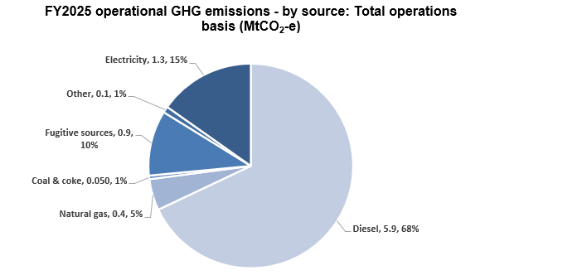

Operational GHG emissions: Total operations basis (MtCO2-e) | FY2020 | FY2021 | FY2022 | FY2023 | FY2024 | FY2025 |  |  |  |  |  |  | Operational GHG emissions: Continuing operations basis (MtCO2-e) | FY2020 | FY2021 | FY2022 | FY2023 | FY2024 | FY2025
Scope 1 emissions | 9.6 | 10.1 | 9.1 | 8.0 | 8.1 | 7.3 |  |  |  |  |  |  | Scope 1 emissions | 7.5 | 7.9 | 7.0 | 7.2 | 7.4 | 7.3
Scope 2 emissions | 6.3 | 6.2 | 3.1 | 1.9 | 1.9 | 1.3 |  |  |  |  |  |  | Scope 2 emissions | 6.0 | 5.9 | 2.8 | 1.7 | 1.7 | 1.3
Total operational GHG emissions | 15.9 | 16.3 | 12.2 | 9.9 | 10.0 | 8.7 |  |  |  |  |  |  | Total operational GHG emissions | 13.5 | 13.8 | 9.9 | 8.9 | 9.2 | 8.7

Operational GHG emissions - by source: Total operations basis (MtCO2-e) | FY2020 | FY2021 | FY2022 | FY2023 | FY2024 | FY2025 |  |  |  |  |  |  | Operational GHG emissions - by source: Continuing operations basis (MtCO2-e) | FY2020 | FY2021 | FY2022 | FY2023 | FY2024 | FY2025
Scope 1 | 9.6 | 10.1 | 9.1 | 8.0 | 8.1 | 7.3 |  |  |  |  |  |  | Scope 1 | 7.5 | 7.9 | 7.0 | 7.2 | 7.4 | 7.3
– Diesel | 6.3 | 6.4 | 6.1 | 6.0 | 6.2 | 5.9 |  |  |  |  |  |  | – Diesel | 5.5 | 5.5 | 5.3 | 5.5 | 5.8 | 5.9
– Natural gas | 1.1 | 1.2 | 1.1 | 0.5 | 0.6 | 0.4 |  |  |  |  |  |  | – Natural gas | 0.5 | 0.6 | 0.5 | 0.5 | 0.6 | 0.4
– Coal and coke | 0.1 | 0.1 | 0.1 | 0.1 | 0.1 | 0.1 |  |  |  |  |  |  | – Coal and coke | 0.1 | 0.1 | 0.1 | 0.1 | 0.1 | 0.0
– Fugitive sources | 2.0 | 2.3 | 1.6 | 1.3 | 1.2 | 0.9 |  |  |  |  |  |  | – Fugitive sources | 1.2 | 1.6 | 1.0 | 1.0 | 0.9 | 0.9
– Other | 0.1 | 0.1 | 0.1 | 0.1 | 0.1 | 0.1 |  |  |  |  |  |  | – Other | 0.1 | 0.1 | 0.1 | 0.1 | 0.1 | 0.1
Scope 2 (market-based) | 6.3 | 6.2 | 3.1 | 1.9 | 1.9 | 1.3 |  |  |  |  |  |  | Scope 2 (market-based) | 6.0 | 5.9 | 2.8 | 1.7 | 1.7 | 1.3
– Electricity | 6.3 | 6.2 | 3.1 | 1.9 | 1.9 | 1.3 |  |  |  |  |  |  | – Electricity | 6.0 | 5.9 | 2.8 | 1.7 | 1.7 | 1.3

Operational GHG emissions - other metrics: Total operations basis | FY2020 | FY2021 | FY2022 | FY2023 | FY2024 | FY2025 |  |  |  |  |  |  | Operational GHG emissions - other metrics: Continuing operations basis | FY2020 | FY2021 | FY2022 | FY2023 | FY2024 | FY2025
Operational GHG emissions intensity (tonnes CO2-e per tonne of copper equivalent production) | 2.6 | 2.7 | 2.1 | 1.7 | 1.8 | 1.6 |  |  |  |  |  |  | Operational GHG emissions intensity (tonnes CO2-e per tonne of copper equivalent production) | 2.5 | 2.6 | 1.9 | 1.6 | 1.7 | 1.6
Scope 1 emissions intensity - energy basis (tonnes CO2-e per PJ non-electricity energy consumed) | 0.1 | 0.1 | 0.1 | 0.1 | 0.1 | 0.1 |  |  |  |  |  |  | Scope 1 emissions intensity - energy basis (tonnes CO2-e per PJ non-electricity energy consumed) | 0.08 | 0.08 | 0.08 | 0.08 | 0.08 | 0.08
Scope 2 emissions intensity - energy basis (tonnes CO2-e per PJ electricity consumed) | 0.2 | 0.2 | 0.1 | 0.1 | 0.1 | 0.0 |  |  |  |  |  |  | Scope 2 emissions intensity - energy basis (tonnes CO2-e per PJ electricity consumed) | 0.17 | 0.17 | 0.08 | 0.04 | 0.04 | 0.03
Proportion of Scope 1 emissions covered under an emissions-limiting regulation (%) | 81% | 81% | 78% | 80% | 77% | 75% |  |  |  |  |  |  | Proportion of Scope 1 emissions covered under an emissions-limiting regulation (%) | 81% | 83% | 79% | 78% | 75% | 75%
Proportion of Scope 1 emissions from methane (%) | 19% | 22% | 17% | 16% | 14% | 12% |  |  |  |  |  |  | Proportion of Scope 1 emissions from methane (%) | 16% | 19% | 14% | 13% | 11% | 12%
GHG emissions from combustion of biofuels (MtCO2-e) | 0.0 | 0.0 | 0.0 | 0.0 | 0.0 | 0.0 |  |  |  |  |  |  | GHG emissions from combustion of biofuels (MtCO2-e) | 0.0 | 0.0 | 0.0 | 0.0 | 0.0 | 0.0
Location-based Scope 2 emissions (MtCO2-e) | 5.1 | 5.0 | 4.8 | 3.8 | 3.7 | 3.1 |  |  |  |  |  |  | Location-based Scope 2 emissions (MtCO2-e) | 4.9 | 4.7 | 4.5 | 3.6 | 3.5 | 3.1
Voluntary carbon credits retired (MtCO2-e) | 0.0 | 0.3 | 0.0 | 0.0 | 0.0 | 0.0 |  |  |  |  |  |  | Voluntary carbon credits retired (MtCO2-e) | 0.0 | 0.3 | 0.0 | 0.0 | 0.0 | 0.0

Scope 1 emissions
Scope 1 emissions by greenhouse gas: Total operations basis (MtCO2-e) | FY2020 | FY2021 | FY2022 | FY2023 | FY2024 | FY2025 |  |  |  |  |  |  | Scope 1 emissions: Continuing operations basis (MtCO2-e) | FY2020 | FY2021 | FY2022 | FY2023 | FY2024 | FY2025
Carbon dioxide (CO2) | 7.8 | 7.9 | 7.5 | 6.7 | 6.9 | 6.5 |  |  |  |  |  |  | Carbon dioxide (CO2) | 6.2 | 6.3 | 6.0 | 6.2 | 6.6 | 6.5
Methane (CH4) | 1.8 | 2.2 | 1.5 | 1.3 | 1.2 | 0.9 |  |  |  |  |  |  | Methane (CH4) | 1.2 | 1.5 | 1.0 | 0.9 | 0.9 | 0.9
Nitrous oxide (N2O) | 0.0 | 0.0 | 0.0 | 0.0 | 0.0 | 0.0 |  |  |  |  |  |  | Nitrous oxide (N2O) | 0.0 | 0.0 | 0.0 | 0.0 | 0.0 | 0.0
Sulphur hexafluoride (SF6) | 0.0 | 0.0 | 0.0 | 0.0 | 0.0 | 0.0 |  |  |  |  |  |  | Sulphur hexafluoride (SF6) | 0.0 | 0.0 | 0.0 | 0.0 | 0.0 | 0.0
Nitrogen trifluoride (NF3) | 0.0 | 0.0 | 0.0 | 0.0 | 0.0 | 0.0 |  |  |  |  |  |  | Nitrogen trifluoride (NF3) | 0.0 | 0.0 | 0.0 | 0.0 | 0.0 | 0.0
Hydrofluorocarbons (HFCs) | 0.0 | 0.0 | 0.0 | 0.0 | 0.0 | 0.0 |  |  |  |  |  |  | Hydrofluorocarbons (HFCs) | 0.0 | 0.0 | 0.0 | 0.0 | 0.0 | 0.0

Notes: - Definition: Scope 1 emissions refers to direct GHG emissions from our operated assets. Scope 2 emissions refers to indirect GHG emissions from the generation of purchased or acquired electricity, steam, heat or cooling that is consumed by our operated assets. Scope 2 emissions have been calculated using the market-based method, unless otherwise specified, in alignment with the Greenhouse Gas Protocol Scope 2 Guidance. - Organisational boundary: Scopes 1 and 2 emissions have been calculated based on an operational control approach in alignment with the Greenhouse Gas Protocol Corporate Accounting and Reporting Standard. - Scope 2 emissions calculation method: Our Scope 2 emissions have been calculated using the market-based method, in line with the Greenhouse Gas Protocol Scope 2 Guidance unless otherwise specified. BHP Scope 2 emissions are not currently calculated using a residual mix emission factor (RMF); this may result in double counting of low GHG emissions or renewable electricity contributions across grid-supplied consumers. We aim to transition to RMF for Scope 2 market-based reporting in Australia from FY2026.​ For FY2025 data, the final validation for surrender of the rights to claim GHG emission reductions assigned via the Chilean energy market’s Renewable Energy Certificate (REC) system is expected to occur by June 2026 with respect to the FY2025 period, following finalisation by the grid coordinator. As a result, we will re-calculate our Scope 2 emissions calculations with respect to Escondida and Pampa Norte following the final validation and restate those figures as part of our annual reporting for FY2026 if required to adjust for any differences. - GWP source: BHP currently uses Global Warming Potentials (GWP) from the Intergovernmental Panel on Climate Change (IPCC) Assessment Report 5 (AR5) based on a 100-year timeframe for all BHP operated assets. Minerals Americas transitioned from IPCC Assessment Report 4 (AR4) to AR5 GWP in FY2022,

Value chain GHG emissions (Scope 3 emissions)
Scope 3 emissions (MtCO2-e) | FY2020 | FY2021 | FY2022 | FY2023 | FY2024 | FY2025
Category 1, Purchased goods and services (including capital goods) | 9.2 | 9.3 | 8.8 | 9.4 | 11.7 | 12.0
Category 3, Fuel and energy related activities | 2.5 | 2.3 | 2.2 | 2.4 | 2.5 | 2.1
Category 4, Upstream transportation and distribution | 5.0 | 5.2 | 4.9 | 4.8 | 4.8 | 4.6
– Shipping | 4.6 | 4.9 | 4.5 | 4.3 | 4.3 | 4.3
– Non-shipping | 0.4 | 0.4 | 0.4 | 0.5 | 0.4 | 0.3
Category 6, Business travel | 0.1 | 0.1 | 0.1 | 0.1 | 0.1 | 0.1
Category 7, Employee commuting | 0.2 | 0.4 | 0.3 | 0.2 | 0.3 | 0.3
Category 9, Downstream transportation and distribution | 3.2 | 3.3 | 3.5 | 2.5 | 2.5 | 2.0
– Shipping | 3.1 | 3.3 | 3.5 | 2.3 | 2.1 | 1.5
– Non-shipping | 0.1 | 0.0 | 0.0 | 0.2 | 0.3 | 0.5
Category 10, Processing of sold products | 294.0 | 301.5 | 306.7 | 313.2 | 316.2 | 318.2
– Iron ore processing to crude steel | 252.8 | 260.7 | 270.8 | 282.9 | 292.0 | 298.9
– Metallurgical coal processing to crude steel | 40.1 | 39.8 | 34.5 | 28.7 | 22.4 | 18.0
– Copper processing | 1.0 | 1.0 | 1.0 | 1.1 | 1.2 | 1.3
– Nickel processing | 0.0 | 0.0 | 0.3 | 0.5 | 0.5 | 0.0
Category 11, Use of sold products | 96.8 | 76.4 | 72.6 | 37.0 | 38.4 | 37.7
– Energy coal | 56.4 | 38.3 | 37.6 | 37.0 | 38.4 | 37.7
– Natural gas, crude oil and condensates, natural gas liquids | 40.4 | 38.1 | 34.9 | 0.0 | 0.0 | 0.0
Category 15, Investments (i.e. our non-operated assets) | 2.7 | 2.7 | 2.8 | 1.3 | 1.3 | 1.2
Total Scope 3 emissions | 413.6 | 401.2 | 401.9 | 370.8 | 377.7 | 378.2

Notes: - Definition: Scope 3 greenhouse gas emissions refers to all other indirect GHG emissions (not included in Scope 2) that occur in our value chain. Scope 3 emissions have been calculated using methodologies consistent with the Greenhouse Gas Protocol Corporate Value Chain (Scope 3) Accounting and Reporting Standard. - Organisational boundary: Category 10, Processing of sold products, Category 11, Use of sold products and Category 15, Investments are estimated on an equity share basis. All other Scope 3 emissions boundaries are defined on a category-by-category (and in some cases, sub-category) basis due to data limitations. Scope 3 emissions reporting necessarily has a degree of overlap in reporting boundaries due to our involvement at multiple points in the lifecycle of the commodities we produce and consume. - Assessing and comparing reductions in Scope 3 emissions should consider the impact that acquisitions and divestments have had. - All Scope 3 emissions data includes divested operations only up to the completion date or effective economic date (as applicable) of the divestment. Divestments include divestment of our interest in the Rhourde Ouled Djemma (ROD) Integrated Development (completed in April 2022), divestment of our interest in BMC (completed on 3 May 2022), divestment of our Petroleum business (merger with Woodside completed on 1 June 2022) and BMA’s divestment of the Blackwater and Daunia mines (completed on 2 April 2024). - Restatement: FY2024 Category 15, Investments reported value has been restated due to finalisation of electricity emissions calculations for the Kelar power plant. Previously reported value was 1.2 MtCO2-e. Total Scope 3 emissions have been restated to 377.7 to reflect the update (previously reported total was 377.6 MtCO2-e). - Category 4, Upstream transportation shipping and Category 9, Downstream transportation shipping in FY2025 include an additional vessel type (due to increase in activity) and a methodology update to

Additional climate-related data
Additional climate-related data

Important information
In this tab: - Power purchase agreements (PPAs) - GHG emissions intensity of the production of our commodities - Retirement of voluntary carbon credits Notes: - For more information on the calculation methodologies, assumptions, treatment of divestments/acquisitions and key references used in the preparation of our GHG emissions data refer to BHP GHG Emissions Calculation Methodology 2025, available at bhp.com/sustainability.

Power purchase agreements (PPAs)
Asset | Supplier | Size (MWh p.a.) | Start date | Duration (years) | Type of renewable generation |  | FY2025 actual % renewable electricity consumption by asset | Asset-specific notes
Escondida (Chile) | Enel and Colbún | Each supplier: ~3,300,000 + 330,000 | FY2022 | Colbún: 10 Enel: 15 | Existing and new – approximately half from new generation |  | 100% | - Enel and Colbún supply electricity to both Escondida and Spence. - Enel PPA expansion option from 3 TWh to 3.3 TWh per annum has been triggered and is in effect. - Colbún PPA expansion option from 3 TWh to 3.3 TWh per annum has been triggered and is in effect. - Enel and Colbún PPAs include an additional 10% of intra annual flexible power, supplying up to a further 0.3 TWh/y each. - Following an increase in forecast demand, Spence has signed an agreement to procure renewable energy certificates (RECs) for any additional forecast electricity consumption not covered by the Enel and Colbún PPAs.
Spence (Chile) |  |  |  |  |  |  | 100%
BHP Mitsubishi Alliance (Australia) | CleanCo | Confidential | H2 FY2021 | 5 | New generation |  | 50% | - The term of the current PPA with CleanCo ends mid-FY2026.
 | CleanCo | Confidential | H2 FY2026 | 5 | Existing and new generation |  |  | - A new PPA was signed with CleanCo in September 2023, which will begin mid-FY2026.
 | CleanCo | Confidential | FY2027 | 7 | New generation |  |  | - A new PPA was signed with CleanCo in August 2024, which will begin FY2027.
Copper South Australia | Neoen | ~613,200 | FY2026 | Confidential | New generation |  | 37% | - Iberdrola PPA supply started FY2023, Neoen PPA supply will start from FY2026.
 | Iberdrola | Confidential | FY2022 | Confidential | New generation
Western Australia Nickel | SUN Energy | ~130,000 | FY2022 | 10 | Existing generation |  | Less than 5% | - In July 2024, we announced our Nickel West operations and West Musgrave project (Western Australia Nickel) would be temporarily suspended from October 2024. - BHP intends to review this decision by February 2027.
 | Southern Cross Energy Partnership – Northern Goldfields Solar Project | ~94,000 | FY2023 | 15+ | New generation
 | Enel Green Power | ~315,000 | FY2024 | 12 | New generation
Western Australia Iron Ore | APA | Confidential | Confidential | Confidential | New generation |  | Not applicable | - This PPA is intended to only support WAIO's port facilities in Port Hedland. We expect to provide further detail on this PPA, including the actual percentage of total renewable electricity consumption by WAIO's port facilities in FY2026 under the PPA, as part of the BHP ESG Standards and Databook 2026.

Notes: - Actual percentage renewable electricity consumption by asset is evidenced by retirement of renewable energy certificates (RECs), retirement of large-scale generation certificates (LGCs) encompassing both voluntary purposes and renewable energy target compliance in Australia, and/or supplier-provided documentation in line with the Greenhouse Gas Protocol Scope 2 Guidance unless otherwise specified. - Actual % renewable electricity consumption by asset may not be equivalent to the reduction of our reported Scope 2 emissions for a range of reasons, including the GHG emissions reporting methodology and the source(s) of displaced volumes of power.

GHG emissions intensity of the production of our commodities
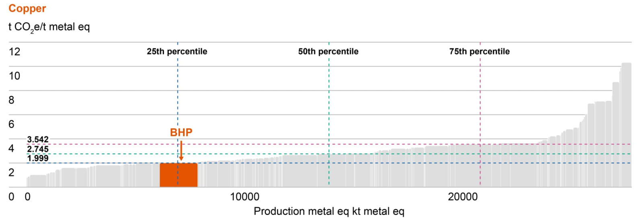
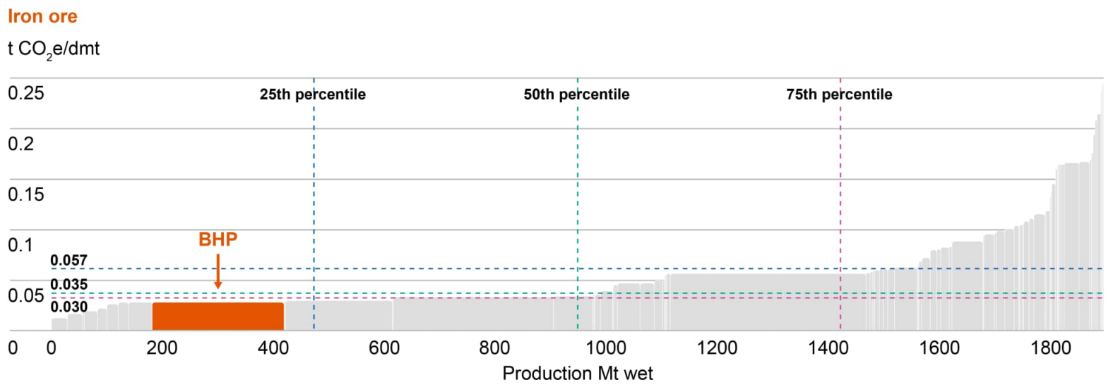

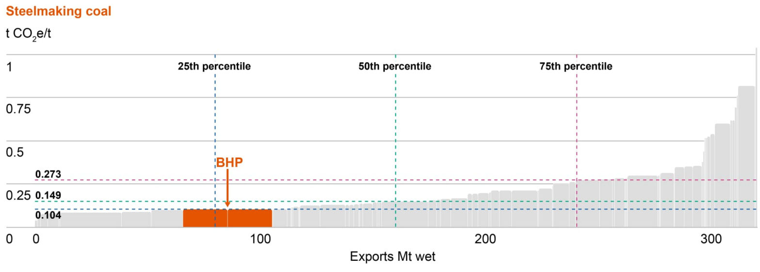

Notes: Analysis is based on CY2024 data from CRU (as CRU data is prepared on a calendar year basis), and includes CRU’s assumptions and estimates of BHP’s operations. Data was extracted on the 11 July 2025. For more information on the calculation methodology refer to crugroup.com.

Retirement of voluntary carbon credits
Project name | Project developer | Type of project | Methodology | Location | Vintage | Volume | Additional certificates | Registry and serial number
Cordillera Azul National Park REDD+ Project | CIMA, Cordillera Azul | Agriculture, Forestry and other Land Use | VM007 REDD+ Methodology Framework | Peru (Loreto, Huanuco, San Martin, Ucayali) | 2018 | 100,000 | CCB-Gold | Verra (Project ID 985): 9274-78192923-78292922-VCS-VCU-263-VER-PE-14-985-08082017-07082018-1
The Kasigau Corridor REDD Project — Phase I Rukinga Sanctuary | Wildlife Works Carbon LLC | Agriculture, Forestry and other Land Use | VM0009 Methodology for Avoided Ecosystem Conversion | Kenya (Coast) | 2016 | 100,000 | CCB-Gold | Verra (Project ID 562): 7540-405394960-405494959-VCU-006-MER-KE-14-562-01012016-31122016-1
The Kasigau Corridor REDD Project — Phase Il The Community Ranches | Wildlife Works Carbon LLC | Agriculture, Forestry and other Land Use | VM0009 Methodology for Avoided Ecosystem Conversion | Kenya (Coast) | 2017 | 100,000 | CCB-Gold | Verra (Project ID 612): 7853-432876441-432976440-VCU-006-MER-KE-14-612-01012017-31122017-1

Notes: The above voluntary carbon credits do not contribute to our progress in meeting our operational GHG emissions (Scopes 1 and 2 emissions from our operated assets) medium-term target. Our plan is to meet our operational GHG emissions medium-term target through structural GHG emission abatement instead of offsetting our operational GHG emissions. However, if there is an unanticipated shortfall in our pathway to our medium-term target, we may need to use voluntary carbon credits that meet our integrity standards to close the performance gap.

The role of our commodities in the transition
The classification we have given to our commodities (described in the table below) is intended to be an indicative approach pending clear and resolved methodologies for identifying key transition materials that contribute to the transition to a net zero economy and the calculation of the revenues they generate. We also acknowledge the classification focuses on the theme of enabling the transition to a net zero economy to mitigate climate change, and broader sustainability indicators in relation to how these commodities are produced are also important to consider. We believe steelmaking materials like iron ore and steelmaking coal also have an important role to play in the global transition to net zero. We expect the blast furnace with carbon capture, utilisation and storage (CCUS) to be an important part of the journey towards the end-state objective of widespread near zero emission1 steel, and it requires higher-quality steelmaking coal as an input. External analysis, such as the International Energy Agency’s net zero by 2050 scenario2 supports this view.

Classification | Definition | Commodities | Source
Climate Action 100+ Net Zero Standard for Diversified Mining, September 2023 | Key transition materials | Copper, nickel | www.climateaction100.org/wp-content/uploads/2023/09/Climate-Action-100-Net-Zero-Standard-Diversified-Mining.pdf
FTSE Russell’s Green Revenues Classification System, v1.1, January 2024 | Key raw minerals and metals | Uranium | www.lseg.com/en/ftse-russell/green-revenues-data-model#key-features
BHP | Future-facing commodities3 | Copper, nickel, potash

Notes: 1. 'Near zero emissions (for steelmaking or ironmaking)' is defined as 0.40 tonnes of CO2 -e per tonne of crude steel for 100 per cent ore-based production (no scrap), as defined by the International Energy Agency (IEA) and implemented in ResponsibleSteel International Standard V2.0 (‘near zero’ performance level 4 threshold). IEA (2022), Achieving Net Zero Heavy Industry Sectors in G7 Members, IEA, Paris, License: CC BY 4.0, which also describes the boundary for the emission intensity calculation (including in relation to upstream emissions). 2. International Energy Agency’s World Energy Outlook 2023, iea.org/reports/world-energy-outlook-2023. 3. Commodities that we determine to be positively leveraged in the energy transition and broader global response to climate change, with potential for decades-long demand growth to support emerging megatrends like electrification and decarbonisation.

Historical commodity production, revenue and capital expenditure

 | Production (kt) |  | Revenue (US$M) |  | Growth capital expenditure (US$M) |  | Other capital expenditure1 (US$M) |  | Total capital expenditure (US$M)
Commodity | FY2025 | FY2024 | FY2025 | FY2024 | FY2025 | FY2024 | FY2025 | FY2024 | FY2025 | FY2024
Copper2 | 2,017 | 1,865 | 21,009 | 17,229 | 564 | 217 | 3,967 | 3,705 | 4,531 | 3,922
Nickel2 | 30 | 81.6 | 697 | 1,378 | 136 | 799 | 68 | 574 | 203 | 1,373
Potash | - | - | - | - | 1,626 | 1,085 | 16 | 0 | 1,642 | 1,085
Uranium | 3 | 3.6 | 519 | 568 | Included within figures for copper3
Iron ore | 262,981 | 259,684 | 22,767 | 27,805 | 221 | 108 | 2,500 | 2,011 | 2,721 | 2,119
Steelmaking coal | 18,010 | 22,275 | 3,393 | 5,793 | 9 | 31 | 408 | 517 | 417 | 549
Energy coal | 15,036 | 15,368 | 1,652 | 1,873 | 4 | 7 | 101 | 93 | 106 | 100
Other4 | Not applicable | Not applicable | 1,225 | 1,014 | -0 | 0 | 174 | 125 | 174 | 125
Total | Not applicable | Not applicable | 51,262 | 55,658 | 2,560 | 2,247 | 7,234 | 7,025 | 9,794 | 9,273

Notes: FY2024 figures include BMA’s Blackwater and Daunia coal mines up to completion of their divestment on 2 April 2024. Cerro Colorado entered temporary care and maintenance in December 2023. FY2025 figures include Western Australia Nickel which transitioned into temporary suspension in December 2024. We intend to review this decision by February 2027. Numbers presented may not add up precisely to the totals provided due to rounding. 1. ‘Other capital expenditure’ includes baseline sustaining capital, non-recurring sustaining projects, deferred stripping and exploration. 2. Capital expenditure for by-products gold, silver and molybdenum is included within the capital expenditure for copper, while nickel is included within the capital expenditure for nickel. It is not possible to disaggregate due to the integrated nature of operations. 3. Capital expenditure for uranium is included within copper’s capital expenditure as it is not possible to disaggregate due to the integrated nature of operations. 4. ‘Other’ for ‘Production’ has not been calculated due to small production volumes of by-products cobalt, gold, lead, molybdenum, silver and zinc. ‘Other’ for ‘Revenue’ includes by-products cobalt, gold, lead, molybdenum, silver and zinc. ‘Other’ for ‘Growth capital expenditure’ and ‘Other capital expenditure’ primarily represents the capital spend for Group functions.

